Caver order form
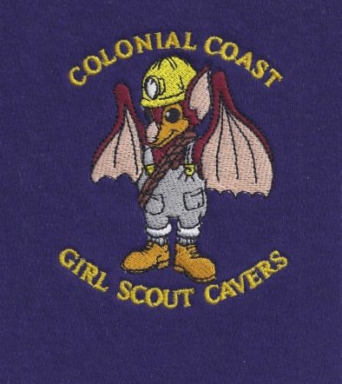
CAVE SHIRT ORDER FORM
All shirts are men’s shirts and the sizes are small, medium, large, x-large and 2X.
TYPE OF SHIRT | PRICES | SHIRT COLORS (ALL)
Short Sleeve Tee Shirts | $14 | White, Black, Grey, Navy Blue, Pink, Purple, Carolina Blue, Dark Green, Red, etc.
Long Sleeve Tee Shirts | $16
2X Tee Shirts SM - LG | Add $2:00/ shirt
Polo Shirt | $18
Sweat Shirts | $20
Hoodie Sweat Shirts | $24
Zippered Jacket | $28
2X Sweat Shirts, zippered jacket and Hoodies | Add $4/shirt |  |  | Shirt Logo

New Shirts: We now have an embroidered bat that can be put on any type of shirt you want and basically any color.
MAKE CHECKS PAYABLE TO: GSCCC Troop 850
Mail to: Kami Lannetti, 926 Magnolia Avenue, Norfolk VA 23508
Order deadline for shirts: April 1, 2018
CAVER | TYPE OF SHIRT | NAME ON SHIRT (PLEASE PRINT) | NUMBER OF SHIRTS | SIZE (SM, M, L, XL, XXL) | COLOR | AMOUNT

 |  |  |  |  | Subtotal
 |  |  |  |  | Tax and Shipping (if applicable)
 |  |  |  |  | Total

